规模扩展
 | nn_GYRE | jpiglo | jpjglo | resolution/° | scale/km | mpp | jpni | jpnj | stp_time | last_time | sum_time | write_stp_time
 |  |  |  |  |  |  |  |  |  |  |  | no_dispatch | dispatch | hadafs
377504 | 25 | 752 | 502 | 0.5 | 55.00 | 128 | 16 | 8
1505004 | 50 | 1502 | 1002 | 0.25 | 27.50 | 512 | 32 | 16
6010004 | 100 | 3002 | 2002 | 0.125 | 13.75 | 2048 | 64 | 32
13515004 | 150 | 4502 | 3002 | 0.083333333333 | 9.17 | 4608 | 96 | 48 | 1.09 | 28 |  | 1.14、2.87、4.29、4.88、4.10 | 1.40、2.55、5.3、4.25、3.9
24020004 | 200 | 6002 | 4002 | 0.0625 | 6.88 | 8192 | 128 | 64 | 1.29
37525004 | 250 | 7502 | 5002 | 0.05 | 5.50 | 12800 | 160 | 80 | 1.09 |  |  |  | 1.17、
45402504 | 275 | 8252 | 5502 | 0.045454545455 | 5.00 | 15488 | 176 | 88 | 1.09 |  |  |  | 1.15、
54030004 | 300 | 9002 | 6002 | 0.041666666667 | 4.58 | 18432 | 192 | 96 | 1.08 |  |  |  | 1.17、
73535004 | 350 | 10502 | 7002 | 0.035714285714 | 3.93 | 25088 | 224 | 112 | 1.08 | 30 |  | 1.17、3.02、4.88、4.76、5.09 | 1.17-5
96040004 | 400 | 12002 | 8002 | 0.03125 | 3.44 | 32768 | 256 | 128 | 1.08 | 29 |  |  | 1.16、3.14、4.92、4.55、4.60
121545004 | 450 | 13502 | 9002 | 0.027777777778 | 3.06 | 41472 | 288 | 144
150050004 | 500 | 15002 | 10002 | 0.025 | 2.75 | 51200 | 320 | 160
181555004 | 550 | 16502 | 11002 | 0.022727272727 | 2.50 | 61952 | 352 | 176
216060004 | 600 | 18002 | 12002 | 0.020833333333 | 2.29 | 73728 | 384 | 192
384080004 | 800 | 24002 | 16002 | 0.015625 | 1.72 | 131072 | 512 | 256
864120004 | 1200 | 36002 | 24002 | 0.010416666667 | 1.15 | 294912 | 768 | 384
1261645004 | 1450 | 43502 | 29002 | 0.0086206896552 | 0.95 | 430592 | 928 | 464
4537775004 | 2750 | 82502 | 55002 | 0.0045454545455 | 0.50 | 1548800 | 1760 | 880
total | 485376 | 42.76
 |  |  | 2公里
weak | time per step | efficiency | strong | time per step | speedup ratio | speedup(theoretical value) | effiency
4608 | 0.808 |  | 32768 | 3.25 | 1.00 | 1 | 1 | 256 | 128
8192 | 0.814 |  | 65536 | 1.688 | 1.93 | 2 | 0.96267772512 | 256 | 256
18432 | 0.8175 |  | 131072 | 0.935 | 3.48 | 4 | 0.86898395722 | 512 | 256
32768 | 0.815 |  | 196608 | 0.656 | 4.95 | 6 | 0.82571138211 | 512 | 384
61952 | 0.817 |  | 262144 | 0.487 | 6.67 | 8 | 0.8341889117 | 512 | 512
131072 | 0.822 |  | 327680 | 0.399 | 8.15 | 10 | 0.81453634085 | 512 | 640
294912 | 0.823 |  | 393216 | 0.374 | 8.69 | 12 | 0.72415329768 | 768 | 512
430592 | 0.823 |  | 430592 | 0.346 | 9.39 | 13.140625 | 0.71481102184 | 928 | 464

IO | peak bandwith | 1290GB/s
IO | SSD(N2N) | effiency | 322
32768 | 442GB/s(240) | !
61352 | 836GB/s(240) | !
131072 | 1140GB/s(240) | !
204800 | 1126GB/s(240) | !
430592 | 2.21(470)
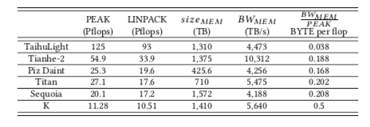

1公里
strong | time per step | speedup ratio | speedup(theoretical value) | effiency
32768 | 12.57 | 1 | 1 | 1
65536 | 6.343 | 1.9817121236 | 2 | 0.9908560618
131072 | 3.289 | 3.8218303436 | 4 | 0.95545758589
196608 | 2.247 | 5.5941255007 | 6 | 0.93235425011
262144 | 1.705 | 7.3724340176 | 8 | 0.9215542522
327680 | 1.377 | 9.128540305 | 10 | 0.9128540305
393216 | 1.215 | 10.345679012 | 12 | 0.8621399177
430592 | 1.147 | 10.95902354 | 13.140625 | 0.83398038827

0.5公里
strong | time per step | speedup ratio | speedup(theoretical value) | efficiency
32768 | 51.536 | 1 | 1 | 1 | 256 | 128
65536 | 25.103 | 2.0529817153 | 2 | 1.0264908577 | 256 | 256
131072 | 12.676 | 4.0656358473 | 4 | 1.0164089618 | 512 | 256
196608 | 8.397 | 6.1374300345 | 6 | 1.0229050058 | 512 | 384
262144 | 6.341 | 8.1274246964 | 8 | 1.0159280871 | 512 | 512
327680 | 4.959 | 10.392417826 | 10 | 1.0392417826 | 512 | 640
393216 | 4.239 | 12.157584336 | 12 | 1.013132028 | 768 | 512
430592 | 3.95 | 13.047088608 | 13.140625 | 0.99288189166 | 928 | 464

0.5公里
strong | time per step | speedup ratio | speedup(theoretical value) | efficiency
65536 | 25.103 | 1.00 | 1 | 100.00% | 256 | 256
131072 | 12.676 | 1.98 | 2 | 99.02% | 512 | 256
196608 | 8.397 | 2.99 | 3 | 99.65% | 512 | 384
262144 | 6.341 | 3.96 | 4 | 98.97% | 512 | 512
327680 | 4.959 | 5.06 | 5 | 101.24% | 512 | 640 |  |  |  |  |  |  |  | 322 | 429
393216 | 4.239 | 5.92 | 6 | 98.70% | 768 | 512
430592 | 3.95 | 6.36 | 6.57 | 96.73% | 928 | 464

113.15
113.15
113.15
113.15
113.15
113.15

113.15
1km
weak | time per step | performance | efficiency | 1 | 2.00 | 3 | 4 | 5 | 6
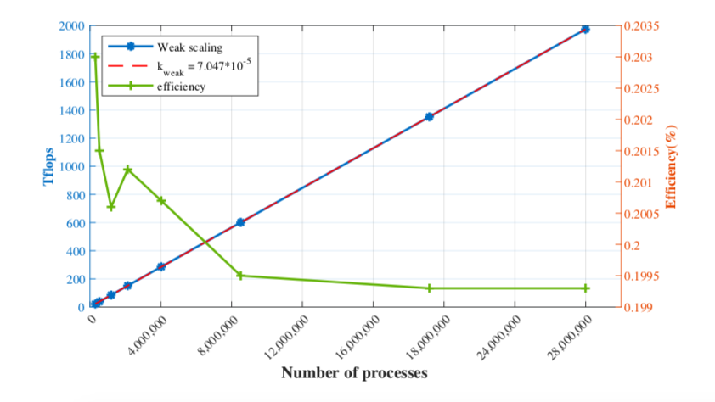
4608 | 0.808 | 21.510 | 0.203%
8192 | 0.814 | 37.958 | 0.201%
18432 | 0.8175 | 85.039 | 0.201%
32768 | 0.815 | 151.644 | 0.201%
61952 | 0.817 | 286.000 | 0.201%
131072 | 0.822 | 601.411 | 0.199%
294912 | 0.823 | 1351.531 | 0.199%
430592 | 0.823 | 1973.329 | 0.199%
Weak scalability

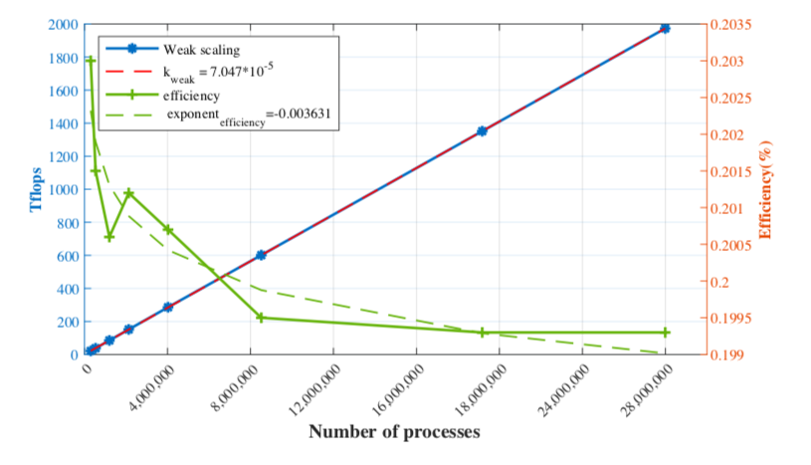

time to solution (27,988,480 processes)
 | optimize before | optimize after | speedup
2km | 433.86 | 49.868965517 | 8.7
1km | 1211.5456 | 165.06070845 | 7.34
0.5km | 4158.6053 | 568.8926539 | 7.31
 | 0.55 （SYPD） | 4.75
 | 0.19 | 1.43
 | 0.057 | 0.416

1973.329
peak performance
cores | tflops
32768 | 180.06430891 | 1 | 12.57 | 17.465015413
65536 | 356.83562399 | 1.9817121236 | 6.343 | 34.677903207
131072 | 688.17523959 | 3.8218303436 | 3.289 | 66.813130057
196608 | 1007.3023422 | 5.5941255007 | 2.247 | 97.891384085
262144 | 1327.5122364 | 7.3724340176 | 1.705 | 129.00993551
327680 | 1643.7243014 | 9.128540305 | 1.377 | 159.89536006
393216 | 1862.8875416 | 10.345679012 | 1.215 | 181.74512601
430592 | 1973.329 | 10.95902354 | 1.147 | 192.51990244

500m
weak | time per step | performance | efficiency
4608 | 0.808 | 21.510 | 0.203%
8192 | 0.814 | 37.958 | 0.201%
18432 | 0.8175 | 85.039 | 0.201%
32768 | 0.815 | 151.644 | 0.201%
61952 | 0.817 | 286.000 | 0.201%
131072 | 0.822 | 601.411 | 0.199%
294912 | 0.823 | 1351.531 | 0.199% |  | 6010004
430592 | 0.823 | 1973.329 | 0.199% | 9.17 | 13515004 | 4608 | 299520
1km | resolution |  |  | 6.88 | 24020004 | 8192 | 532480
299520 | 9.17 | 13515004 |  | 5.50 | 37525004 | 12800 | 832000
532480 | 6.88 | 24020004 |  | 5.00 | 45402504 | 15488 | 1006720
1198080 | 4.58 | 54030004 |  | 4.58 | 54030004 | 18432 | 1198080
2129920 | 3.44 | 96040004 |  | 3.93 | 73535004 | 25088 | 1630720
4026880 | 2.50 | 181555004 |  | 3.44 | 96040004 | 32768 | 2129920
8519680 | 1.72 | 384080004 |  | 3.06 | 121545004 | 41472 | 2695680
19169280 | 1.15 | 864120004 |  | 2.75 | 150050004 | 51200 | 3328000
27988480 | 0.95 | 1261645004 |  | 2.50 | 181555004 | 61952 | 4026880
 |  |  |  | 2.29 | 216060004 | 73728 | 4792320
2km |  |  |  | 1.72 | 384080004 | 131072 | 8519680
299520 | 13.75 | 6010004 |  | 1.15 | 864120004 | 294912 | 19169280
532480 | 9.17 | 13515004 |  | 0.95 | 1261645004 | 430592 | 27988480
1198080 | 6.88 | 24020004 |  | 0.50 | 4537775004 | 1548800 | 100672000
2129920 | 4.58 | 54030004
4026880 | 3.44 | 96040004
8519680 | 2.50 | 181555004
19169280 | 1.72 | 384080004
27988480 | 1.15 | 864120004

500m
299520 | 6.88 | 24020004 | 0
532480 | 4.58 | 54030004
1198080 | 3.44 | 96040004
2129920 | 2.50 | 181555004
4026880 | 1.72 | 384080004
8519680 | 1.15 | 864120004
19169280 | 0.95 | 1261645004
27988480 | 0.50 | 4537775004

